Pivot Table
Heart Disease by Age

Cuenta de Heart Disease | Etiquetas de columna
Etiquetas de fila | No | Yes | Total general
Under 30 | 100% | 0% | 100%
30 to 39 | 67% | 33% | 100%
40 to 49 | 64% | 36% | 100%
50 to 59 | 54% | 46% | 100%
60 to 69 | 36% | 64% | 100%
70+ | 30% | 70% | 100%
Total general | 55% | 45% | 100%

Types of Chest Pain
Etiquetas de fila | Cuenta de Chest Pain Type
ASY (Asymptomatic) | 209
NAP (Non-Anginal Pain) | 103
ATA (Atypical Angina) | 113
TA (Typical Angina) | 16
Total general | 441

Heart Disease by Gender
Cuenta de Heart Disease | Etiquetas de columna
Etiquetas de fila | No | Yes | Total general
Female | 85 | 20 | 105
Male | 159 | 177 | 336
Total general | 244 | 197 | 441

Dashboard
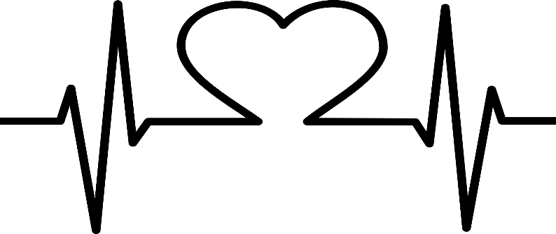
Study Results

 | Heart Disease Research

Heart Disease by Age
 | No | Yes
Under 30 | 100% | 0%
30 to 39 | 67% | 33%
40 to 49 | 64% | 36%
50 to 59 | 54% | 46%
60 to 69 | 36% | 64%
70+ | 30% | 70%

 |  | Select:

Heart Disease by Gender
 | No | Yes
Female | 85 | 20
Male | 159 | 177
Types of Chest Pain
 | Total
ASY (Asymptomatic) | 209
NAP (Non-Anginal Pain) | 103
ATA (Atypical Angina) | 113
TA (Typical Angina) | 16

